Sheet1
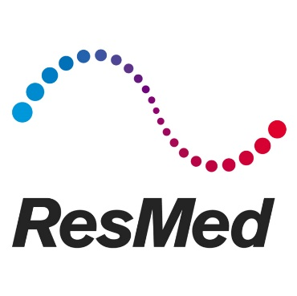
August 2022

ResMed SLM Replacement Request

Date:
Account Manager:
Account Number:
Business Name:
Contact Person:
Shipping Address:

Phone Number:
Email Address:

Please note: SLM items are for patient trial purposes only - NOT FOR SALE

SLM Code | Mask Description | Cushion sizes included | QTY to be discarded | Replacement QTY
 | Full Face Masks
63305 | AirFit F30i: SML | S, M & SW
63306 | AirFit F30i: STD | S, M & W
64104 | AirFit F30: SML | S
64105 | AirFit F30: MED | M
63445 | AirFit F20: SML | S
63446 | AirFit F20: MED | M
63447 | AirFit F20: LGE | L
63448 | AirFit F20 For Her: SML | S
63449 | AirFit F20 For Her: MED | M
 | Nasal Masks
64208 | AirFit N30 | S, M & SW
63821 | AirFit N30i: STD | S, M & SW
63822 | AirFit N30i: SML | S, M & SW
63505 | AirFit N20 for Her: SML | S
63506 | AirFit N20: MED | M
63507 | AirFit N20: LGE | L
63724 | AirFit N20 Classic: MED | M
 | Nasal Pillows Masks
63871 | AirFit P30i: STD | S, M & L
63872 | AirFit P30i: SML | S & M
62925 | AirFit P10 | S, M & L
62927 | AirFit P10 for Her | XS, S & M
 | Obsolete Masks
62135 | Mirage FX for Her: SML | S |  | Obsolete - Not for re-order
62104 | Mirage FX: STD | STD |  | Obsolete - Not for re-order
62119 | Mirage FX: WD | W |  | Obsolete - Not for re-order
61235 | Mirage Quattro: LGE | L |  | Obsolete - Not for re-order
61234 | Mirage Quattro: MED | M |  | Obsolete - Not for re-order
61233 | Mirage Quattro: SML | S |  | Obsolete - Not for re-order
61232 | Mirage Quattro: XSML | XS |  | Obsolete - Not for re-order
62768 | Quattro Air for Her: MED | M |  | Obsolete - Not for re-order
62767 | Quattro Air for Her: SML | S |  | Obsolete - Not for re-order
62766 | Quattro Air for Her: XSML | XS |  | Obsolete - Not for re-order
62731 | Quattro Air: LGE | L |  | Obsolete - Not for re-order
62730 | Quattro Air: MED | M |  | Obsolete - Not for re-order
62729 | Quattro Air: SML | S |  | Obsolete - Not for re-order
61508 | Swift FX | S, M & L |  | Obsolete - Not for re-order
 |  | Totals: | 0 | 0

Please ensure replacement quantity does not exceed quantity of masks being disposed of.
Email completed form to your ResMed account manager along with photographs of all items being disposed of, for approval.
Please allow two weeks processing time from date of approval.
Dispose of used SLMs upon receipt of replacements.
This form is for SLM complete mask sets only - for all other trial stock, please contact your ResMed account manager.

